Sheet1
ORDERED DATE | DELIVERY DATE | DESCRIPTION | IMAGE | QTY | TOTAL WEIGHT | OLD WEIGHT | COLOUR STONE | SILVER | DIAMOND CT | NO OF DIA | NET WEIGHT | purity (%) | PURE 24k | MC | TOTAL MC | DATE | PURITY | GIVIEN METAL | GIVEN CASH
 | 2026-07-02 | BANGLE | 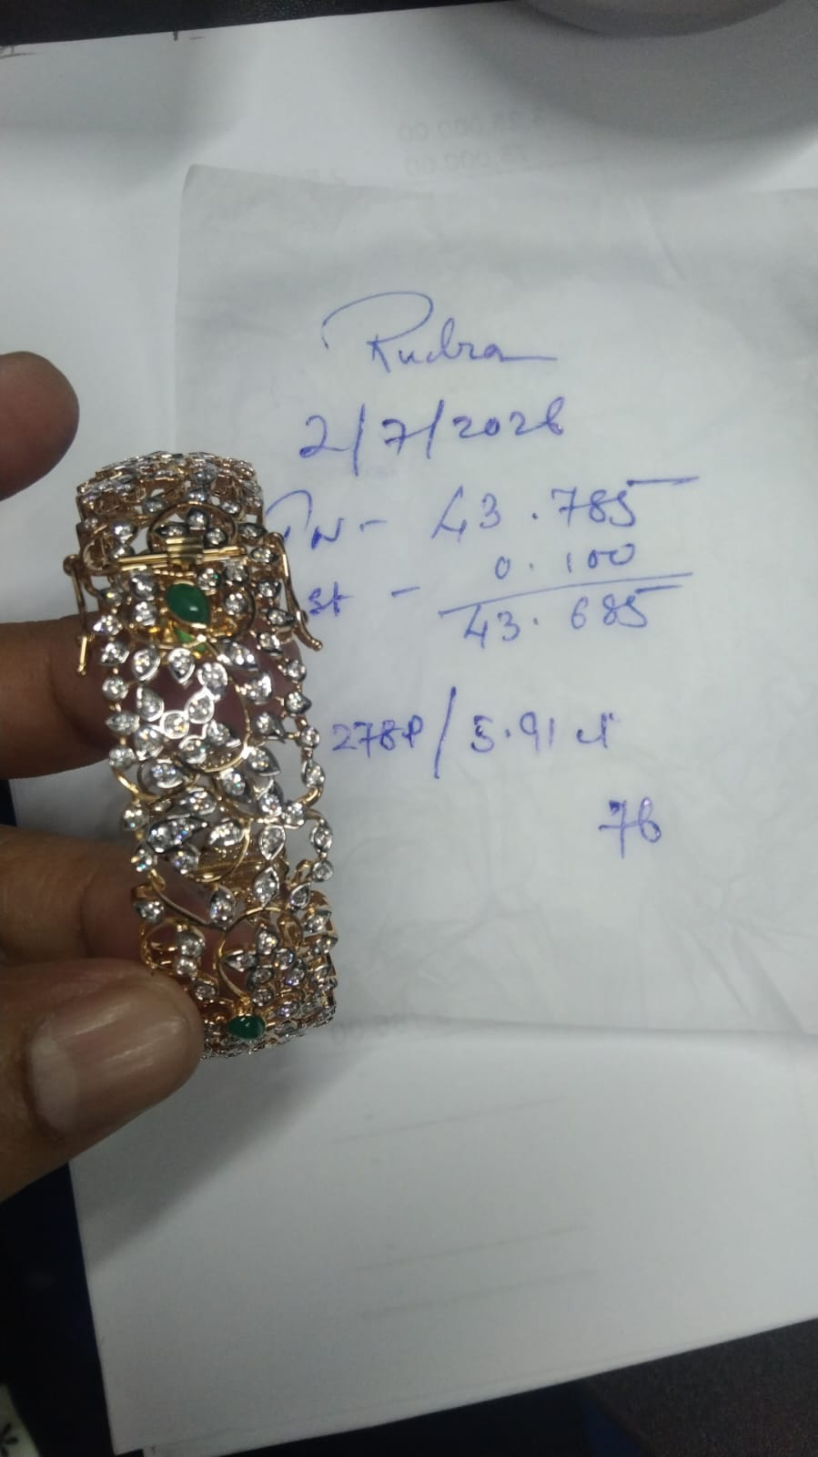 | 1 | 43.785 |  | 0.1 |  | 5.91 | 278 | 42.503 | 76 | 32.302 | 950 | 40377.85 | 2026-07-07 | 24KT | 54.75
 | 2026-07-02 | RING | 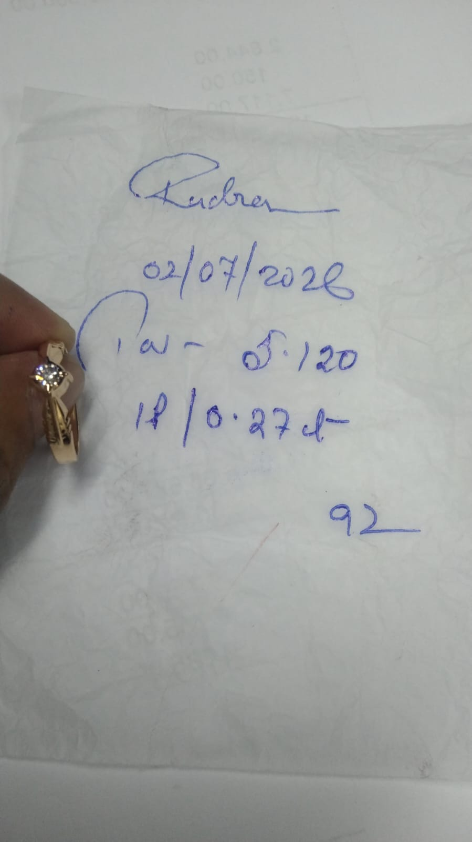 | 1 | 5.120 |  |  |  | 0.27 | 1 | 5.066 | 92 | 4.661 | 950 | 4812.7 | 2026-07-21 | 24KT | 77.23

